Datailed Inquiry Information
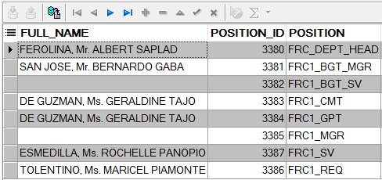
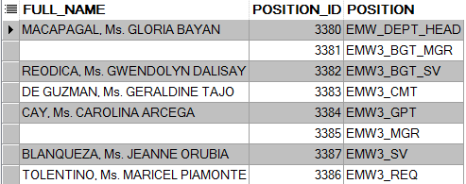
Detailed Inquiry Information

 | PLEASE PROVIDE EVIDENCE OF REQUEST / DETAILS OF REQUEST HERE (IN DETAIL).

 | Inactive user in FRC1. Same position_id that's why system detects FRC1 is inactive and it also affects the EMW3.

Detailed Investigation Result
Detailed Investigation Result

 | System detects if there is an invalid user in the hierarchy

Inactive Accounts

Same Position_ID

 | CHANGE THE ACTIVE STATUS OF FRC1 to INACTIVE

Actual Operation Evidence
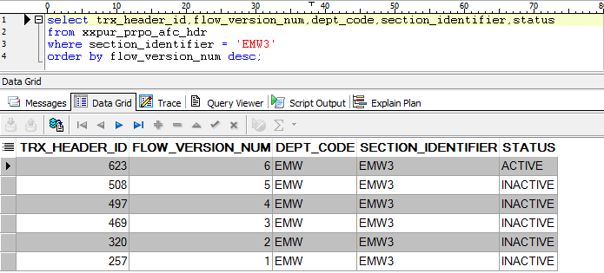
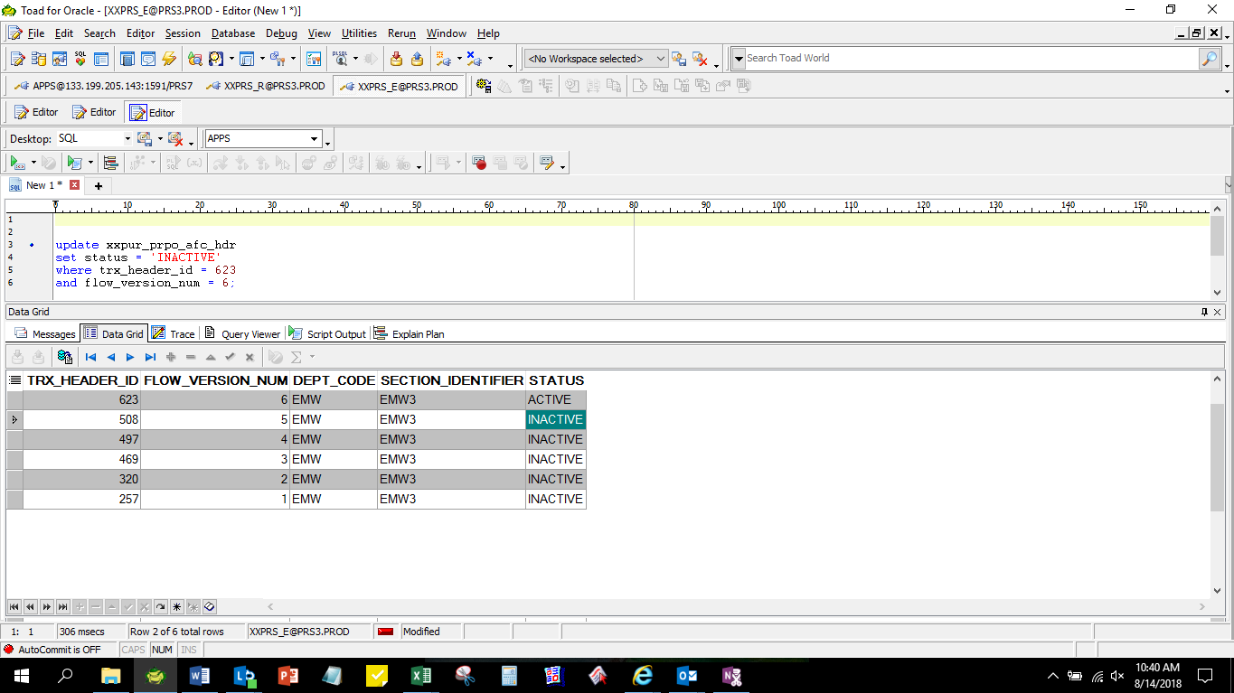
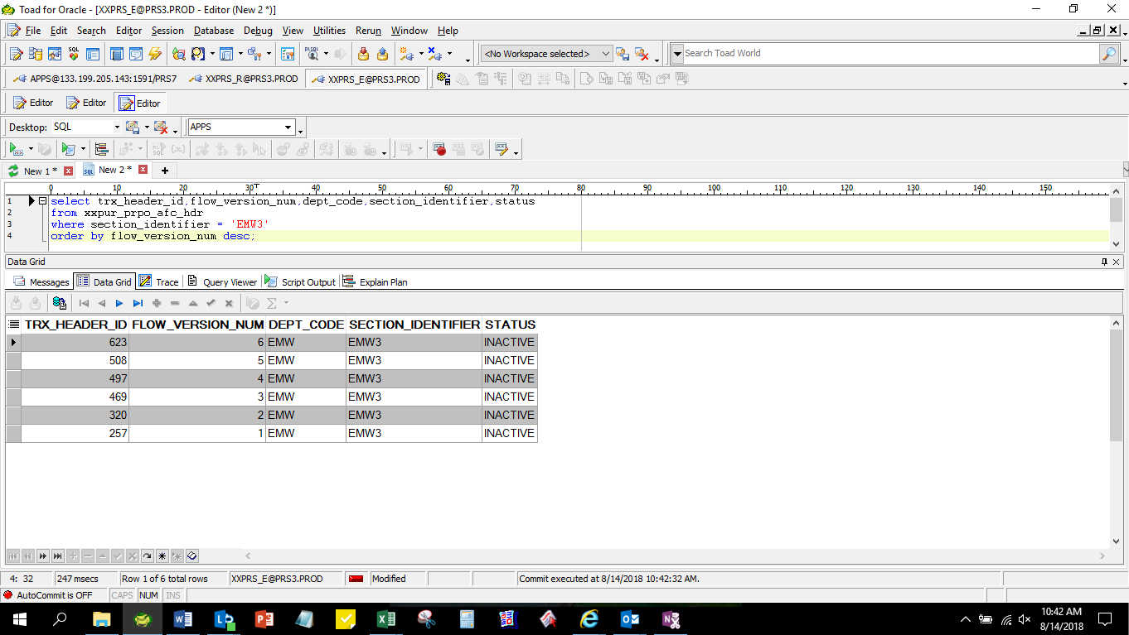
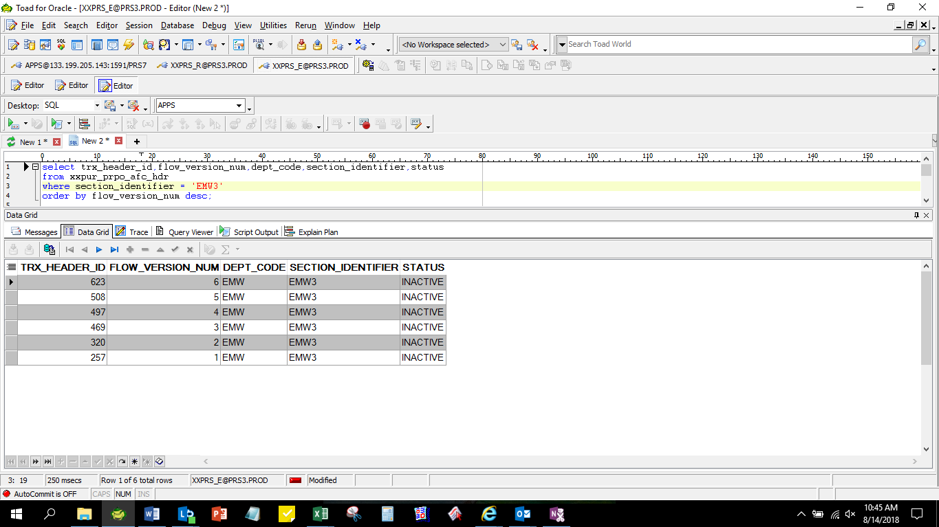
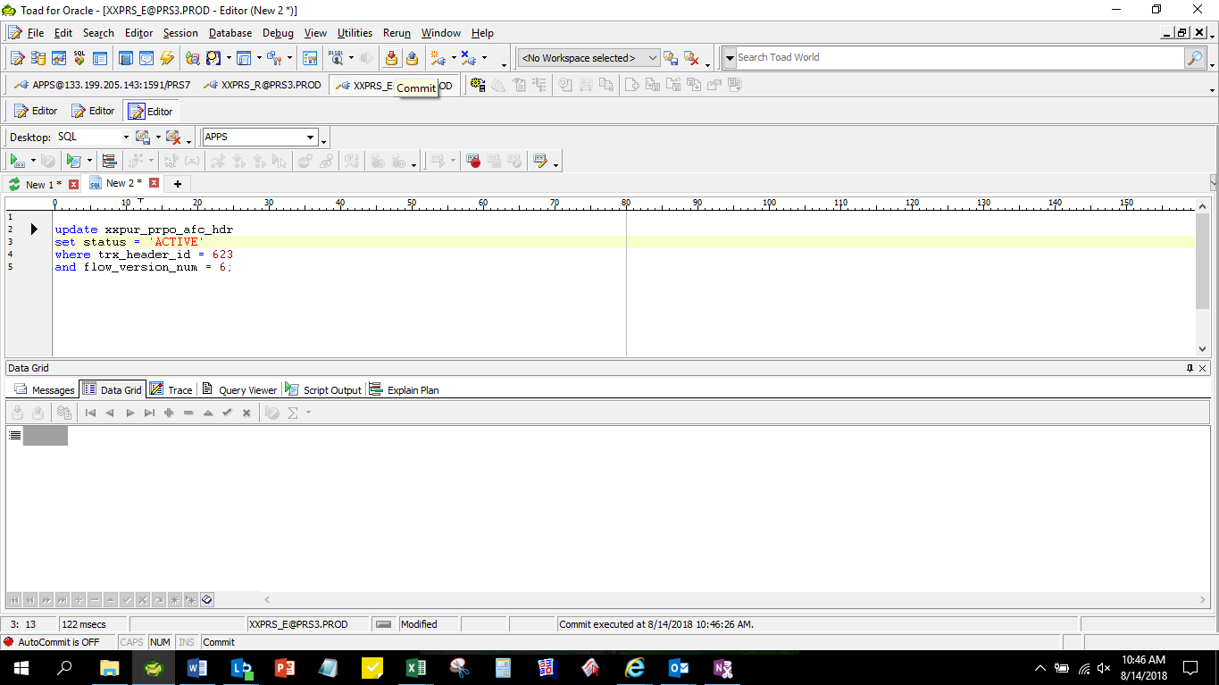
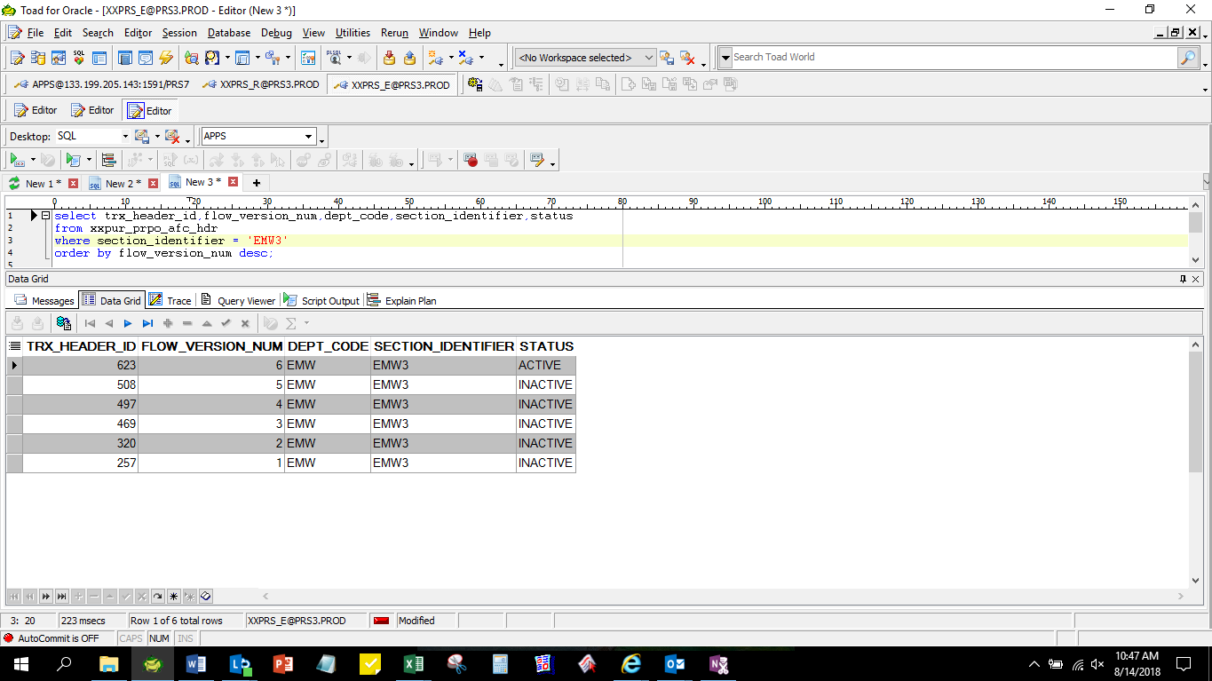

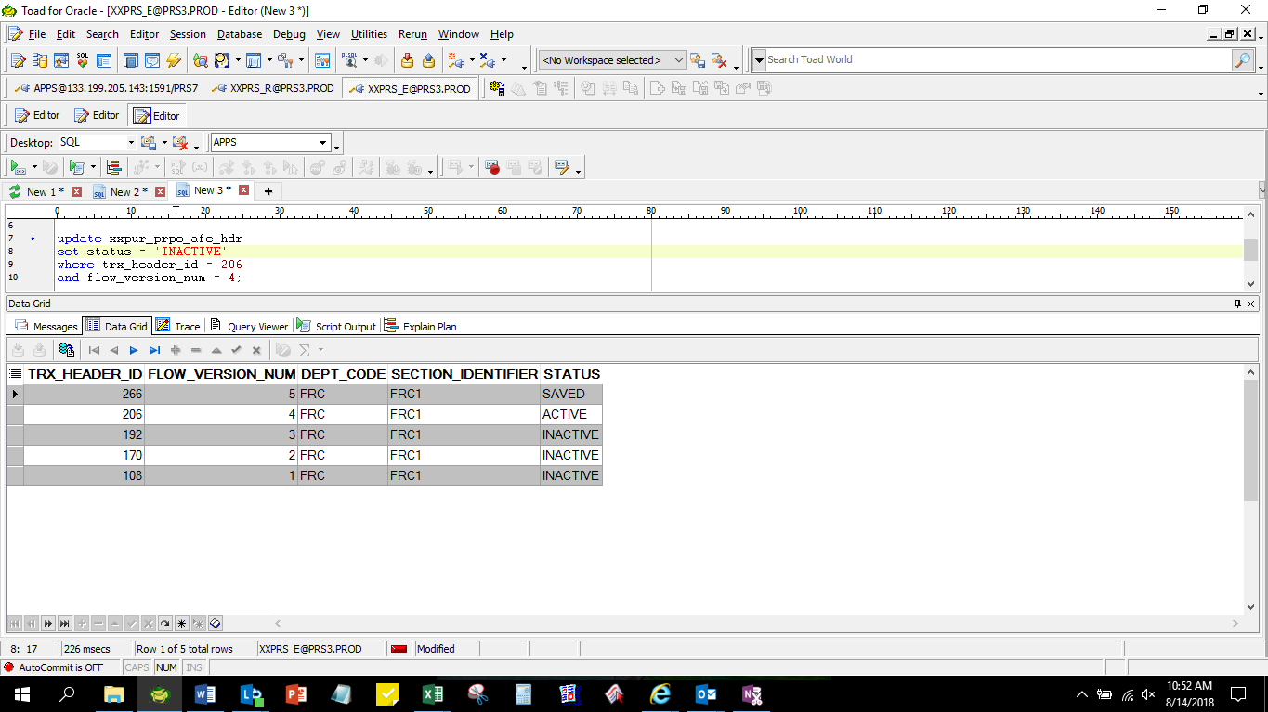
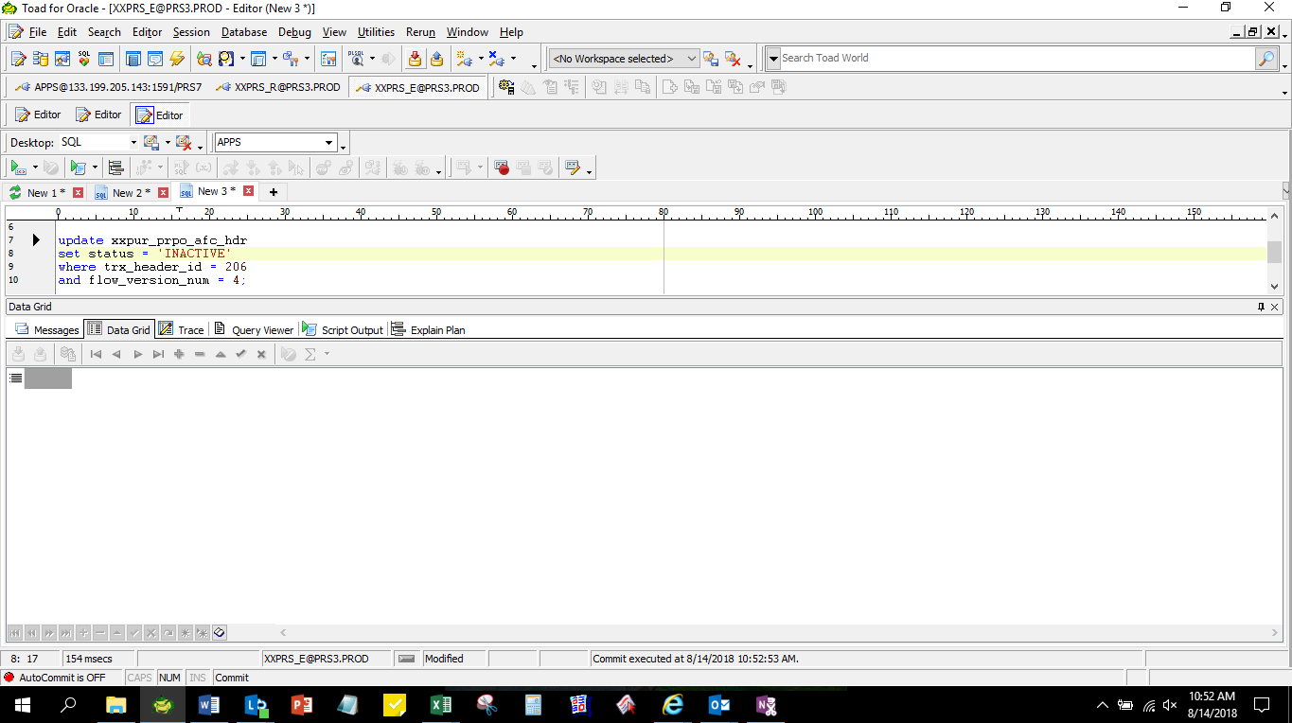
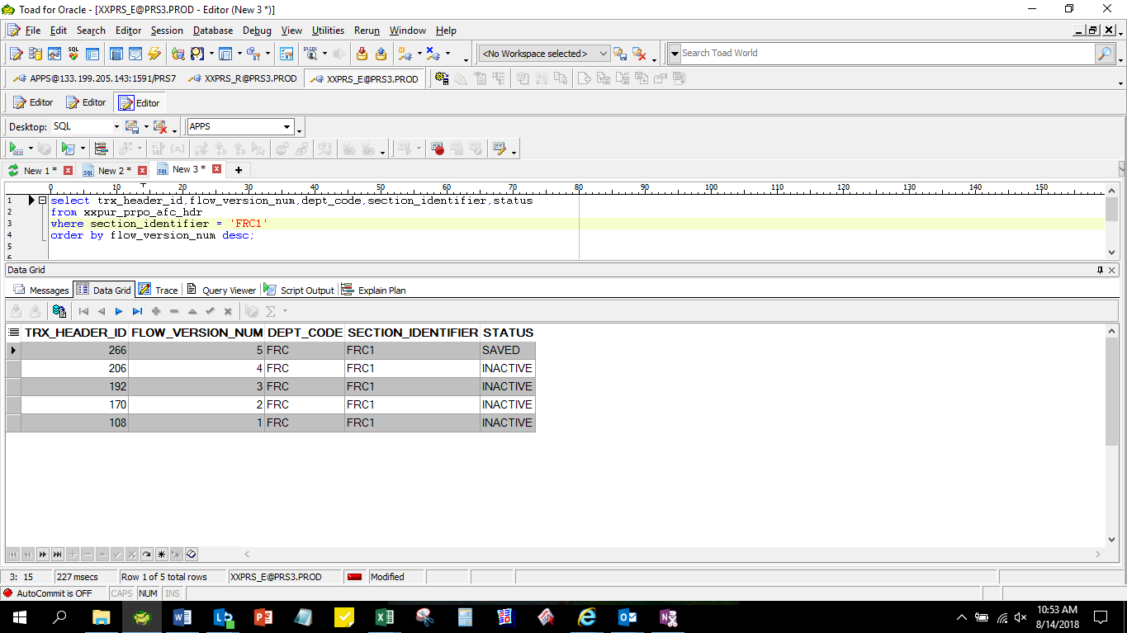
Actual Operation Evidence

Helpdesk Request
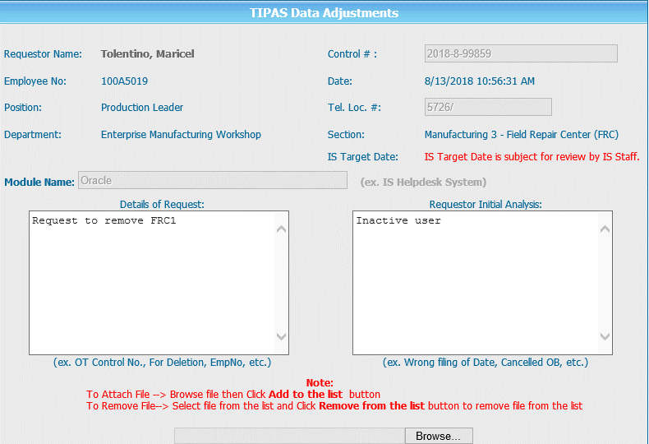
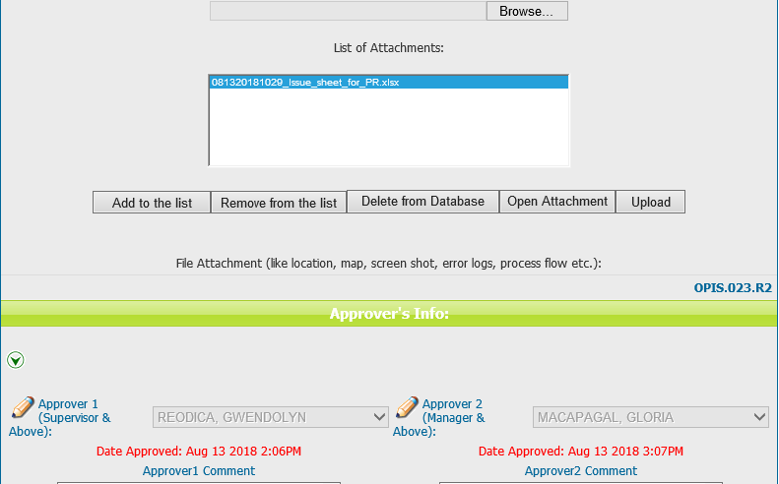
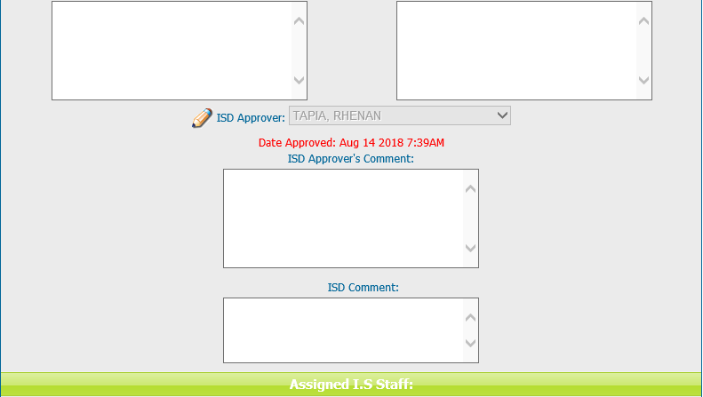
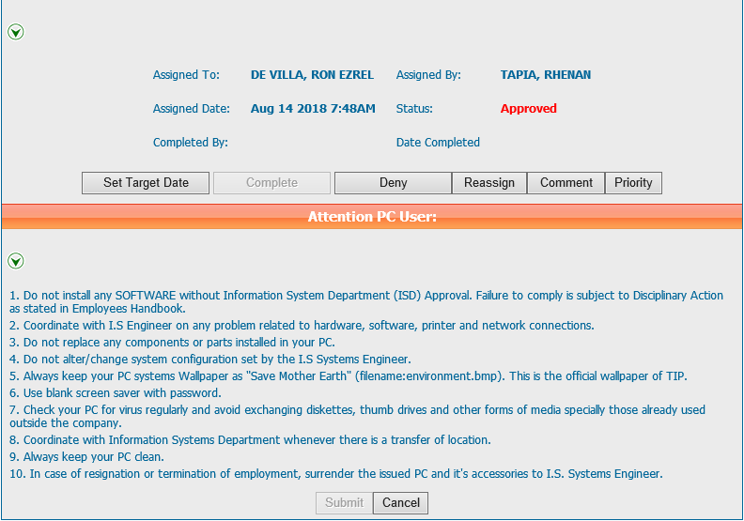
Helpdesk Request

 | ATTACH SCREENSHOT OF HELPDESK REQUEST.

